M.C.3.3
Mini-case 3.3
Assumptions
S0 | Number of binomial periods | Strike | u | d | rf (per period) | π | 1-π | C0
80 | 3 | 80 | 1.5 | 0.5 | 0.1 | 0.6 | 0.4 | 34.065

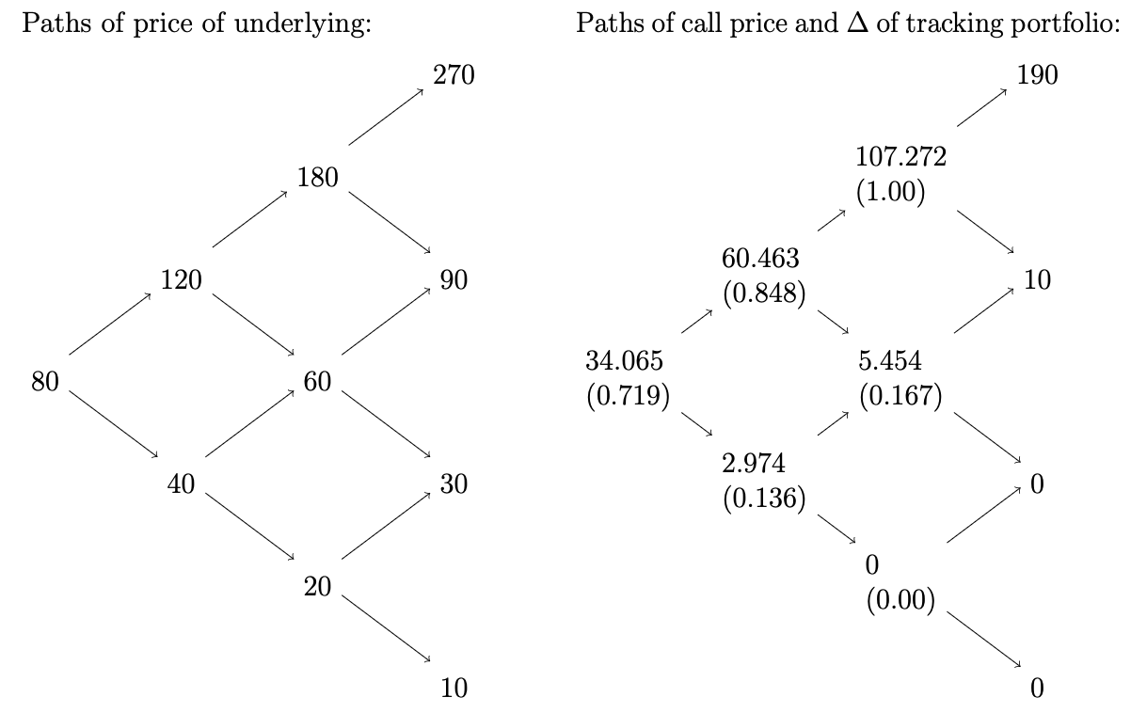
TASK A
Option hedging by the tracking portfolio (UDD)
Action\ period | 0 | 1 (up) | 2 (down) | 3 (down)
Purchase of shares | -57.52 | -15.48 | 40.86 | 5.01
The sum to borrow | 23.455 | 15.48 | -40.86 | -5.01

Total debt | 23.4550 | 41.2805 | 4.5486 | 0.0

Option hedging by the tracking portfolio (UDU)
Action\ period | 0 | 1 (up) | 2 (down) | 3 (up)
Purchase of shares | -57.52 | -15.48 | 40.86 | -90
The sum to borrow | 23.455 | 15.48 | -40.86 | 10

Total debt | 23.4550 | 41.2805 | 4.5486 | 15.0
Paying the debt off by selling 0,167 of the stock in our posses at the price of 90 |  |  |  | -15.0
∑ |  |  |  | 0.0

TASK B
It couldn't harm my strategy. Accordingly to the PCP, the (no-dividend) american call's value is always greater than the value of exercise of it. From it follows that it never pays to exercise a non-dividend paying american call prematurelly. Thus, with the premature exercise of the option we might be able to close our position with more profit

M.C.3.4
Variation of the investor’s profit with the stock price at the maturity of the option
 | Strike |  | investor's profit
40 | 0 | 20 | 17
 |  | 22 | 15
 |  | 24 | 13
 |  | 26 | 11
 |  | 28 | 9
 |  | 30 | 7
 |  | 32 | 5
 |  | 34 | 3
 |  | 36 | 1
 |  | 38 | 0
 |  | 40 | 0
 |  | 42 | 0
 |  | 44 | 0
 |  | 46 | 0
 |  | 48 | 0
 |  | 50 | 0
 |  | 52 | 0
 |  | 54 | 0
 |  | 56 | 0
Mini-case 3.4
Assumptions | P0 (European) | 3
 | S0 | 42
 | K | 40

Price of underlying (St) | Payoff from the option | Profit from the option
20 | 20 | 17
22 | 18 | 15
24 | 16 | 13
26 | 14 | 11
28 | 12 | 9
30 | 10 | 7
32 | 8 | 5
34 | 6 | 3
36 | 4 | 1
38 | 2 | 0
40 | 0 | 0
42 | 0 | 0
44 | 0 | 0
46 | 0 | 0
48 | 0 | 0
50 | 0 | 0
52 | 0 | 0
54 | 0 | 0
56 | 0 | 0

